Resources
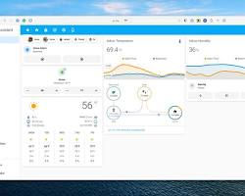
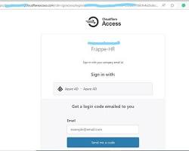
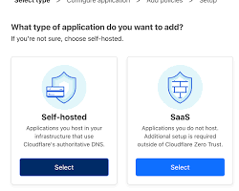
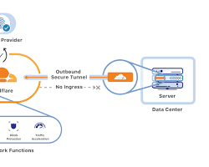
 |  | For Cloudflare Zero Trust |  |  | On-premise network
 | Webapp/website |  | File Server |  | Webapp/website | File Server
URL/Path | ztnatestwebapp.telefyinc.com |  | \\10.0.0.4 | URL/Path | ztnatestwebapp.telefyinc.com
Resource Location | Web Server on Azure |  | Linux File Server on Azure | Resource Location | Web Server on Windows 2022 | File Server on Windows 2022
Access (Authentiation by school email) | Routed via Cloudflare Zero Trust |  |  | Access (Authentiation by school email)

 | HOW TO CONNECT/access resources
via vpn
via warp client
directly via web

